SPOUSE TRAVEL FORM
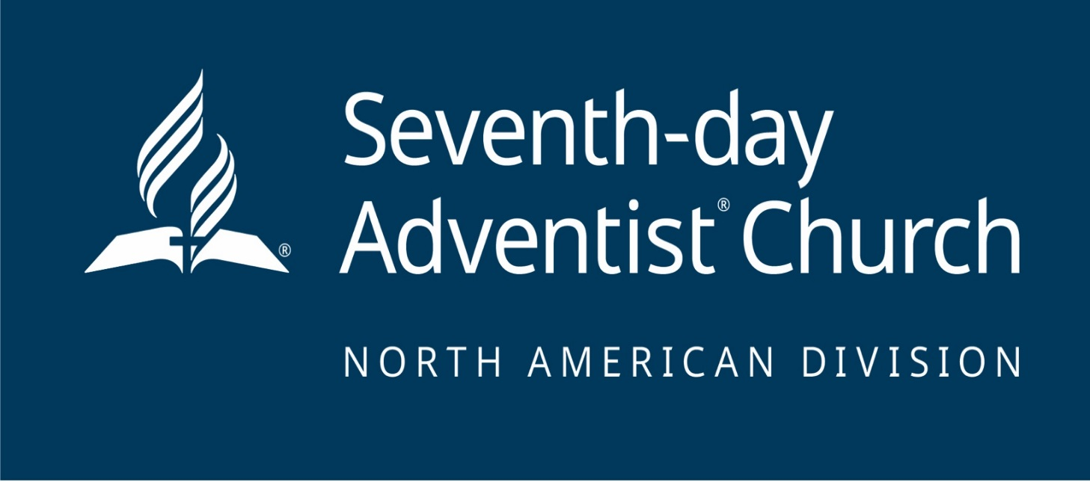
 |  |  |  |  | 2019 EXPENSE REPORT For Employees - Spouse Travel |  |  | North American Division of Seventh-day Adventists 9705 Patuxent Woods Dr. Columbia, MD 21046-1565

Employee Name |  |  |  |  |  | Name of Spouse/Child:
Badge ID# |  |  |  |  |  | Travel Dates:
Department Name |  |  |  |  |  | Destination:
Function # |  |  |  |  |  | Treasury-Payroll deadline for this report is 12 p.m. on Tuesdays before PAYDAY! *Please attach original receipts of your spouse's travel tickets and other fees. Small receipts must be taped on 8.5" X 11" paper.
Phone Ext#

 |  |  |  |  |  | SPOUSE TRAVEL EXPENSES

Date |  | EVENT or EXPLANATION |  |  | Travel Tickets |  | Baggage Fees | Early Check-in | Other Fees

Month | Day

TOTAL |  |  |  |  | 0.00 |  | 0.00 | 0.00 | 0.00
For TREASURY Office Use Only |  |  |  |  |  |  | TOTAL SPOUSE TRAVEL — US$ |  | 0.00
 |  | Expense Acct # | Badge ID# | Fund | Function # | Amount | NOTES

Debit |  | 811170 | 0 | 10 | 0 | $- | For balance in your spouse travel allowance, please contact David Baer
 |  |  |  |  |  |  | at davidbaer@nadadventist.org or call him at (443) 391-7203.
Credit |  | 133100 | 0 | 10 | 0000 | $-

 |  |  |  |  |  |  |  |  | 2019-02-05

Verified By |  | Treasury Approval |  |  |  |  | Employee Signature |  | Date Submitted

